Important Information
Important Information | Starting Resources can be found at: https://github.com/Istavare/Blue-Team-Competition-Resources/tree/main
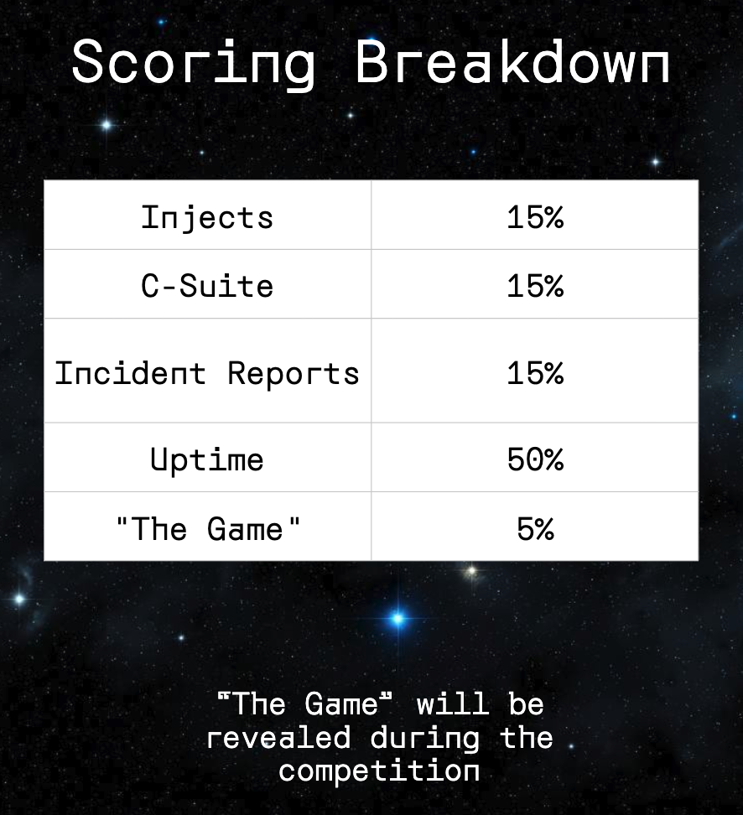
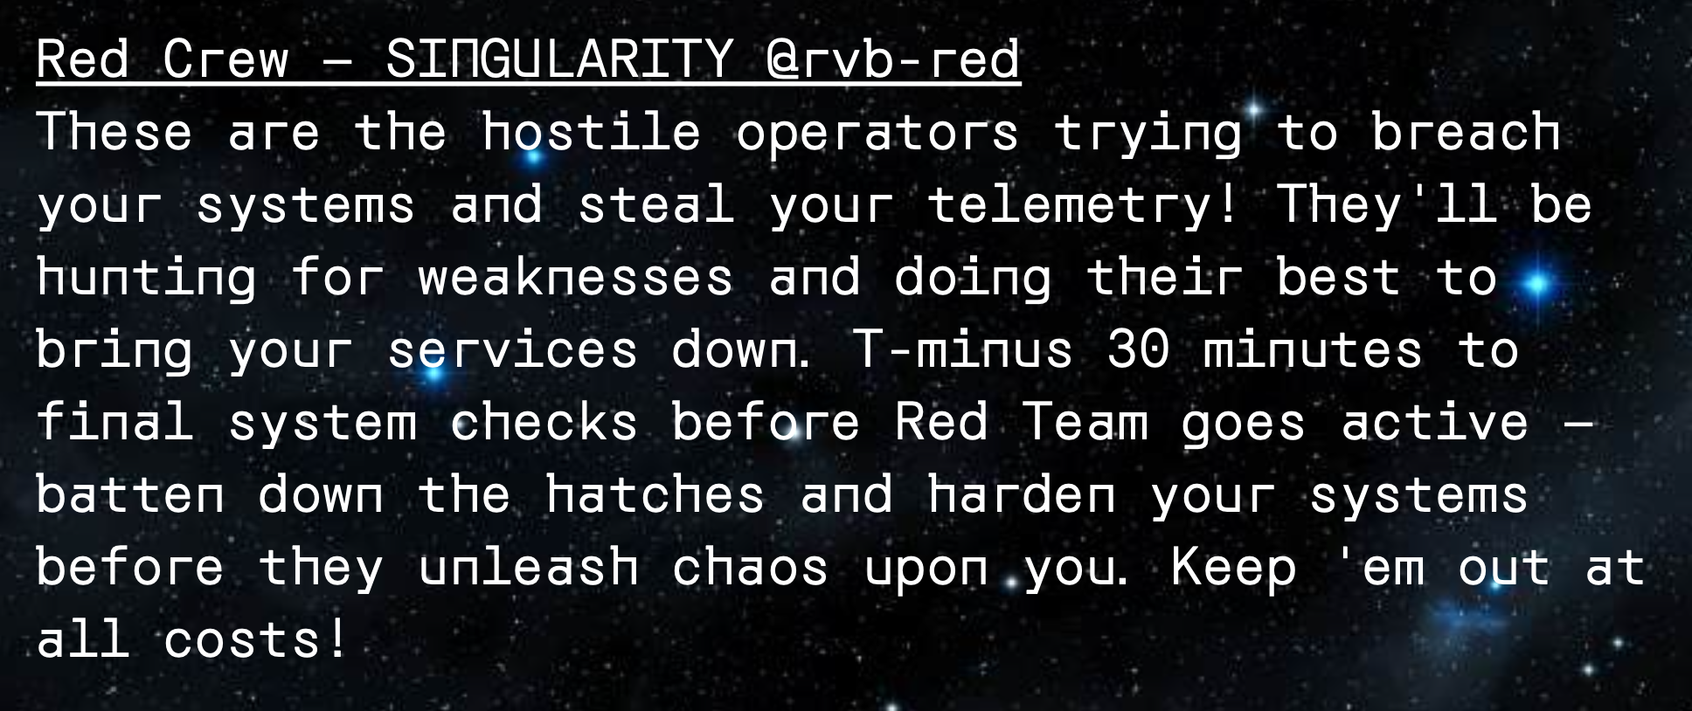
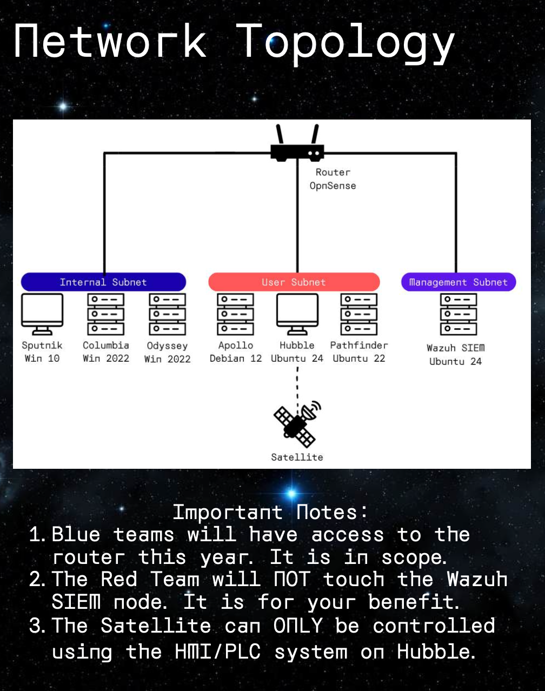
 |  |  |  |  |  | Scored Services |  | x is team #
 |  |  |  |  |  | Machine | Operating System | IP | Service | Common Ports
 |  |  |  |  |  | Apollo | Debian 12 | 10.x.2.10 | SSH | 22
 |  |  |  |  |  | Apollo | Debian 12 | 10.x.2.10 | DNS | 53/UDP
 |  |  |  |  |  | Apollo | Debian 12 | 10.x.2.10 | HTTP-DNSGui | 8053
 |  |  |  |  |  | Apollo | Debian 12 | 10.x.2.10 | distcc | 3632
 |  |  |  |  |  | Columbia | Windows Server 2022 | 10.x.1.10 | LDAP/LDAPS | 389/636
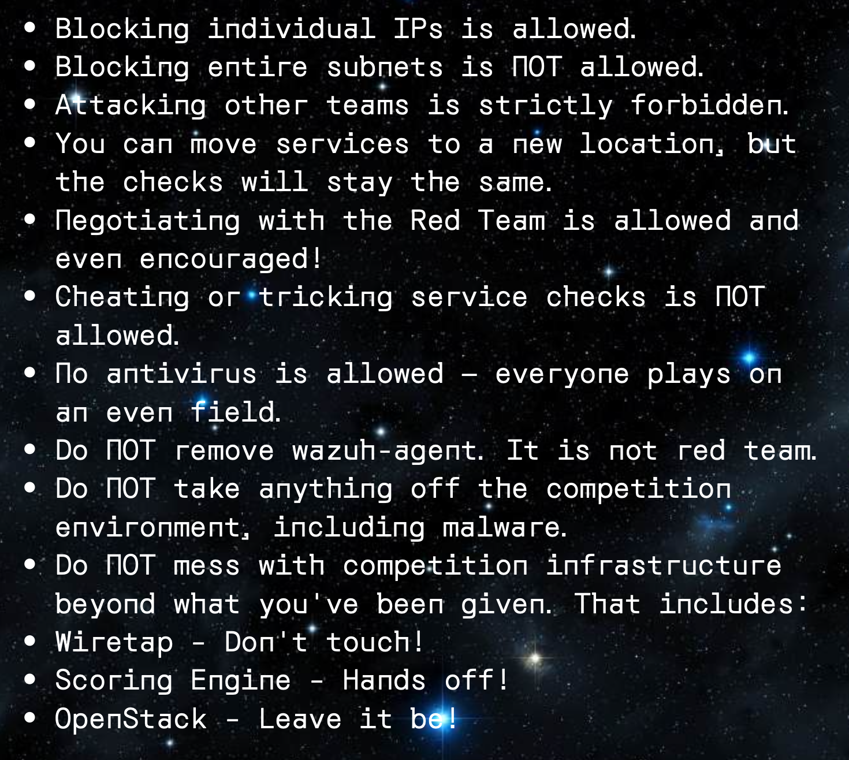
 |  |  |  |  |  | Columbia | Windows Server 2022 | 10.x.1.10 | SMB | 445/139
 |  |  |  |  |  | Columbia | Windows Server 2022 | 10.x.1.10 | WinRM | 5985/5986
 |  |  |  |  |  | Hubble | Ubuntu 24.04 | 10.x.2.11 | SSH | 22
 |  |  |  |  |  | Hubble | Ubuntu 24.04 | 10.x.2.11 | SMTP | 25
 |  |  |  |  |  | Hubble | Ubuntu 24.04 | 10.x.2.11 | HTTP | 80
 |  |  |  |  |  | Hubble | Ubuntu 24.04 | 10.x.2.11 | VNC | 5900
 |  |  |  |  |  | Odyssey | Windows Server 2022 | 10.x.1.11 | MSSQL | 1433
 |  |  |  |  |  | Odyssey | Windows Server 2022 | 10.x.1.11 | SMB | 445/139
 |  |  |  |  |  | Odyssey | Windows Server 2022 | 10.x.1.11 | WinRM | 5985/5986
 |  |  |  |  |  | Pathfinder | Ubuntu 22.04 | 10.x.2.12 | SSH | 22
 |  |  |  |  |  | Pathfinder | Ubuntu 22.04 | 10.x.2.12 | FTP | 20/21
 |  |  |  |  |  | Pathfinder | Ubuntu 22.04 | 10.x.2.12 | HTTP | 80
 |  |  |  |  |  | Pathfinder | Ubuntu 22.04 | 10.x.2.12 | MySQL | 3306
 |  |  |  |  |  | Router | OPNsense | 172.16.x.3 | SSH | 22
 |  |  |  |  |  | Router | OPNsense | 172.16.x.3 | HTTPS | 443
 |  |  |  |  |  | Sat | Ubuntu 22.04 | 10.x.2.13 | Modbus TCP | 502
 |  |  |  |  |  | Sputnik | Windows 10 | 10.x.1.12 | SMB | 445/139
 |  |  |  |  |  | Sputnik | Windows 10 | 10.x.1.12 | WinRM | 5985/5986
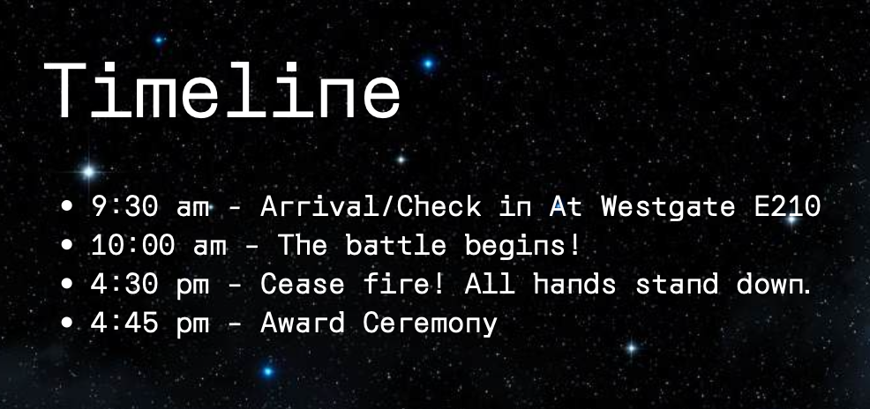
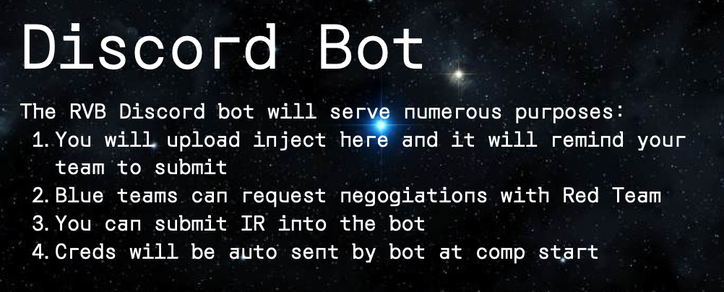
 |  | Wiretap | https://tap.psuccso.org/ |  |  | Astronauts = Blue Team
 |  | ScoringEngine | https://score.psuccso.org/ |  |  | SINGULARITY = Red Team
 |  | Store | https://store.psuccso.org/ |  |  | Houston Control = White Team
 |  |  |  |  |  | Program Directors = Orange Team
 |  | Credentials | Wiretap uses PSU SSO with Microsoft
 |  | ScoringEngine |  | Store
 |  | Username: | FILL IN | Username: | FILL IN
 |  | Password: | FILL IN | Password: | FILL IN

IR Inject
IR / Inject
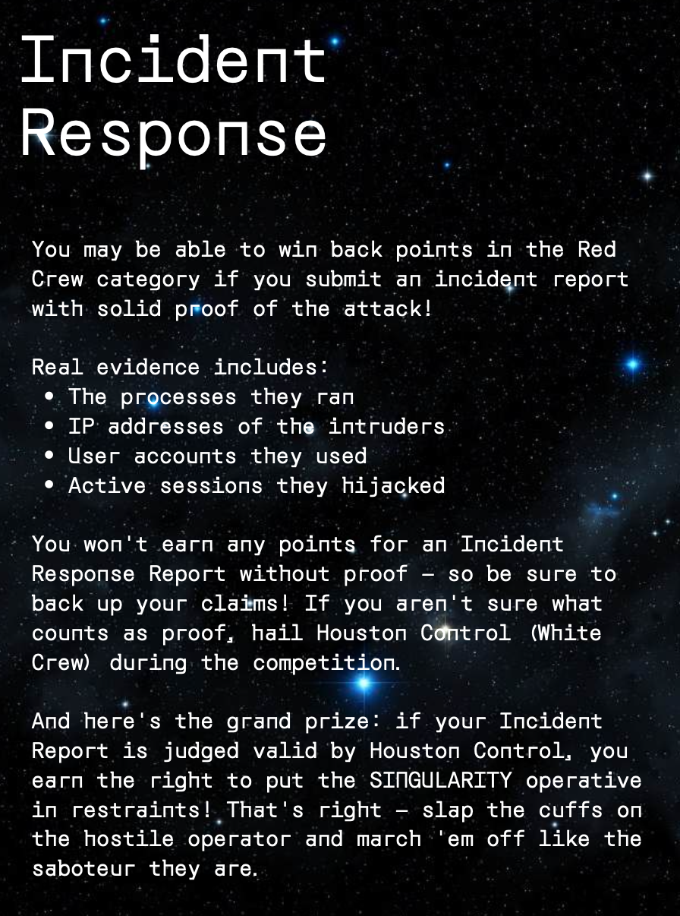
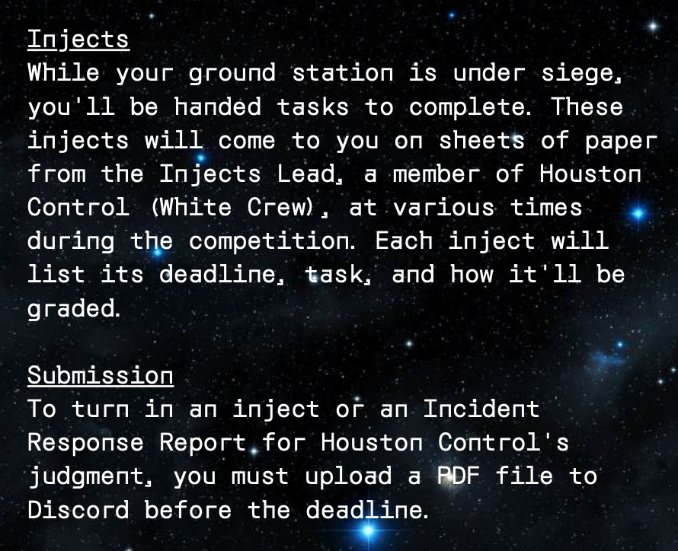
 | Make sure to document everything!
 | .docx IR Template | Google Docs IR Template
 | .docx Inject Template | Google Docs Inject Template

 | Make sure to have good communication set up!
 | This can be Discord / Signal / Google Docs / etc... HAVE SOMETHING

 | Annotate Screenshots! Mac OS has good screenshoting built in
 | Use Greenshot for Windows it is a very useful utility in the college of IST
 | Greenshot

 | Use Obsidian or something similar to take notes
 | Obsidian

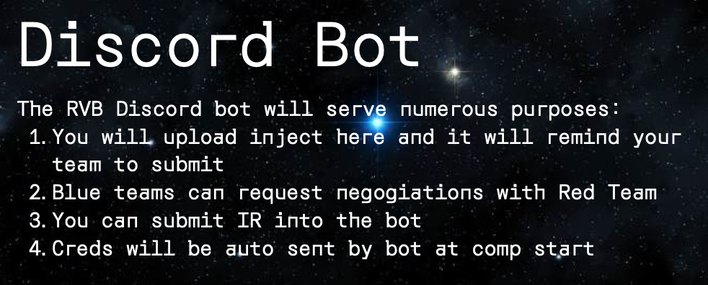
 | Submit via Discord
 | /submit-inject [ID] [FILE]

 | Collaboration is key! If an inject requires everyone to do something
 | having a shared document on google might be useful so everyone
 | can work on it at once.

 | Make sure to get these in on time, they account for 30% of the total
 | score of the competition, where uptime is 50%.

Store
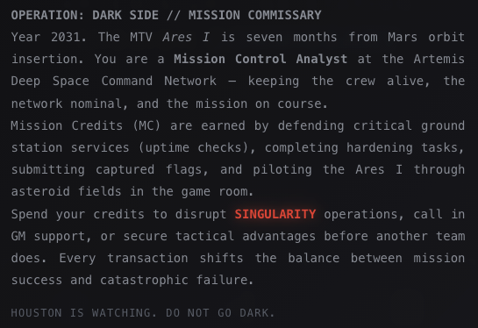
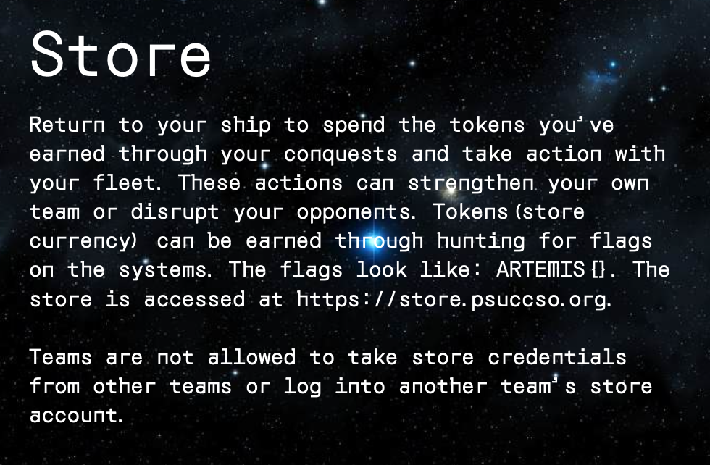
Look for ARTEMIS{}
CTF style flags

https://store.psuccso.org/

Flags Found:

Flag 1...
Flag 2...
Flag 3...

